ActivityMap
Activity Map = decarbX_v1
Up-to-date knowledge on hydrogen

Chatbot features with doman-specific knowledge: hydrogen energy tech
Suggests related prompts based on user's prompt history or commonly asked questions
Provides citations of results. Allows community to challenge them to improve

Users suggest new sources

Retains knowledge state throughout interaction with user
Fluid and fast interaction with user
Users awarded token for initial suggestions

Users awarded larger amount of tokens once three others verify source

Return relevant graphs/images of input prompt

Incorporates knowledge from oil & gas industry

HelpfulDocumentation
https://python.langchain.com/docs/modules/data_connection/
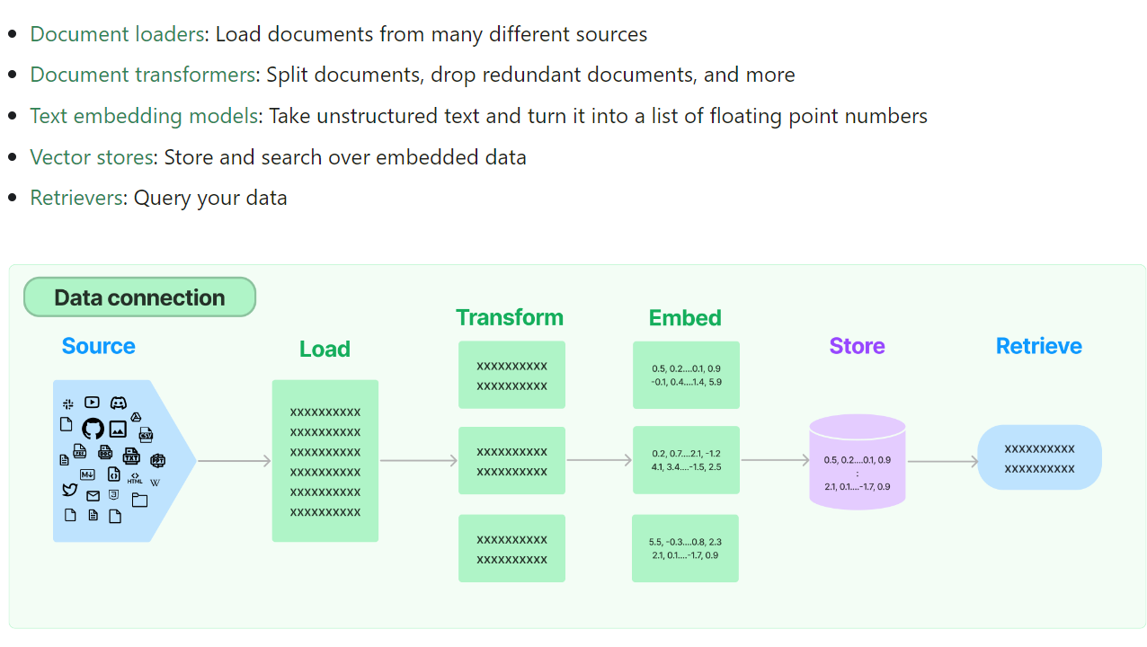

RetrievalQA works with both the vectorstores and the chain
- Keep text input to no more than 10-15 lines to control how many tokens being sent to LLM. -> should be vetted further.
"Agents" are a way to control what data is called when given prompt

